Java and Related
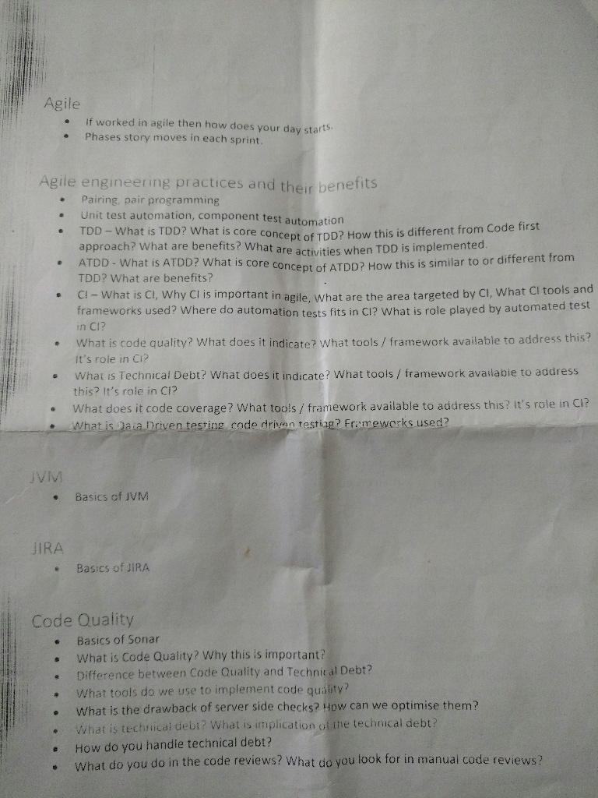
Item | Priority / Sequence | Status - Theory | Status - Hands on
Java 8 Features | 1 | Pending | Pending
JMS and MQ | 1 | revisit | Pending
Functional I/F and Lamda | 1 | Done | done
Cucumber | 1 | revisit | Pending
Try applying OOAD and OOD principles learnt to a sample app | 2 | Done | Pending
ECS and Docker Hands-on | 2 | Done | Pending
Hash Table Functioning | 3 | Pending | Pending
Big-O | 3 | Pending | N.A
Look for more topics
Java 9 ?
JMS and MQ
DATA STRUCTURES AND ALGORITHMS
DATA TYPES IN JAVA
DYNAMIC MEMORY ALLOCATION ??
ASYMPTOTIC NOTATIONS - WHAT DOES DEFINITION AND FORMULA MEAN ? - GONE OVER THE HEAD !!!
DYNAMIC PROGRAMMING ??
Collection streams
Java internals - gc working
Http internals
Java performance optimization
Code smells
Proxy pattern implementation
Spring boot

 | Security in Applications | 2 | Pending | Pending
 | 3 | Pending | Pending
Caching | 0 | Pending | Pending
Scala |  | Java, Spring : -

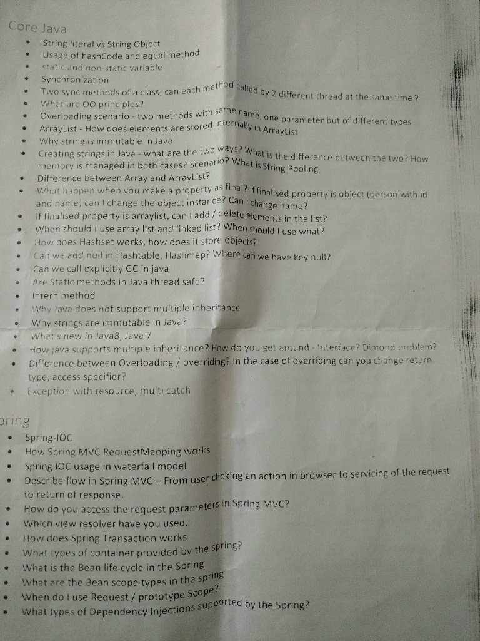

 |  | Spring,WebServices,Hibernate : -

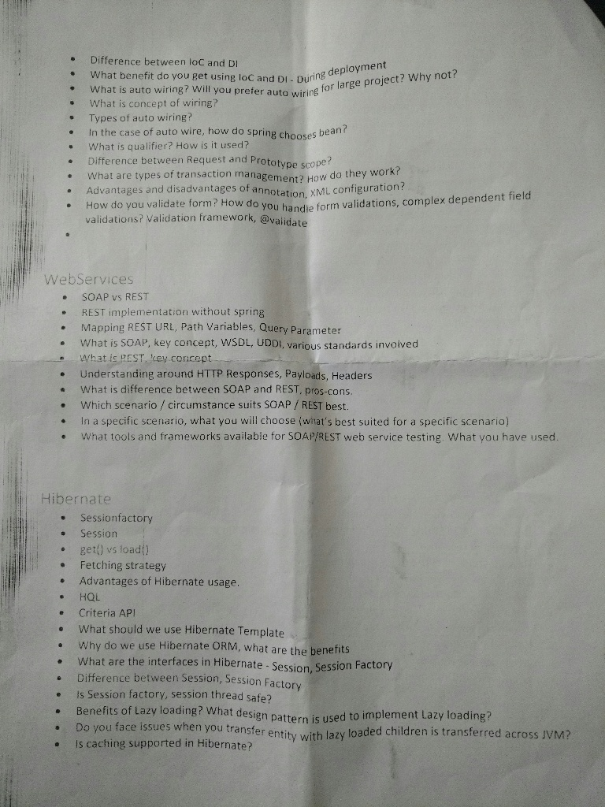

 |  | Hibernate,JUnit,Maven,Mockito : -

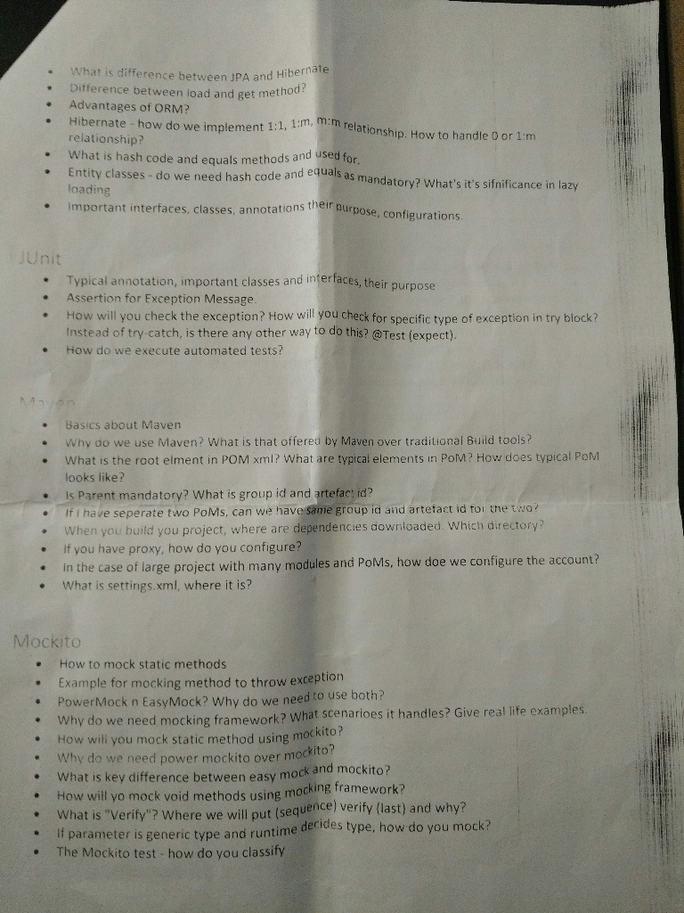

 |  | Misc

